Risks Ratings - Matrix
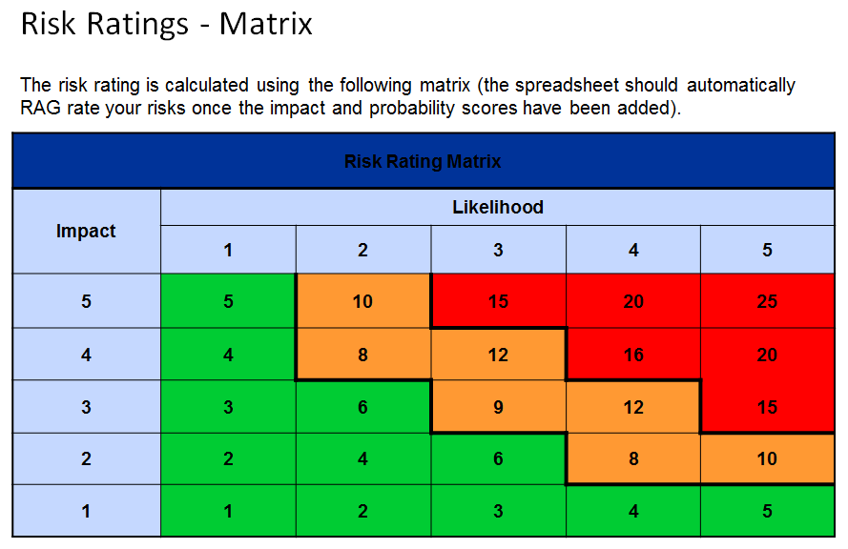

Proximity Date - the point at which a risk will become an issue.

Residual risks over 12 need to be escalated to the Board.

