Risk Matrix
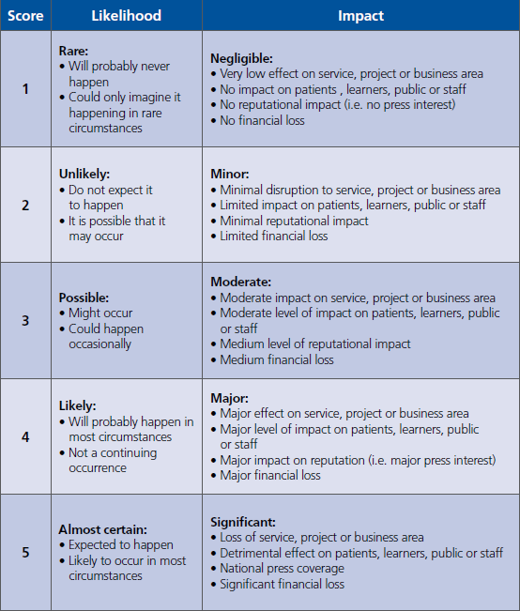
Risk Assessment
The HEE corporate risk matrix, detailed below, will support the HEE Quality Cycle by determining the level of risk to education and training quality.

Likelihood | 5 | G | A | A/R | R | R
 | 4 | G | A | A/R | R | R
 | 3 | G | G/A | A/R | A/R | R
 | 2 | G | G/A | A | A | A/R
 | 1 | G | G | G/A | G/A | A
 |  | 1 | 2 | 3 | 4 | 5
 |  | Impact

Further information on what evidence is expected to demonstrate quality is available in the |  |  |  |  |  |  | HEE Quality Framework

